Sheet1
Multiperiod Accounting
Meaning
Spreading your expenses across multiple accounting periods
This is mainly applicable for prepaid expenses - Defer these expenses and prorate across all the months

Example: we have made advance payment to supplier for upcoming service and this 6,000$ belongs to next 6 months period of time
Note: No Additional Setups are required
Here we will use balance sheet account to store the amount

Give "Accural Expenses/Asset Account" in payables invoice line level
In distributions we can give any expense account like internet expense etc.,
Journal Entries
When we create Multiperiod Accounting Invoice
Accured Expense/Accured Clearing/Deferred Item Expense (Parking Account) | Debit - 6,000$
Liability | Credit - 6,000$

Expenditure Recognized/Create Payables Invoice
Item Expense | Debit - 1,000$
Accured Expenses/Deferred Item Expense/Accural Clearing | Credit - 1,000$
Note: Same accounting entries will run for the rest of the months
Run Ess Job "Create Multiperiod Accounting" at monthend

Process
1. Create payables invoice and in invoice line give "Accural Account"
*In the distributions level we can give normal account in our example we have given insurance account.
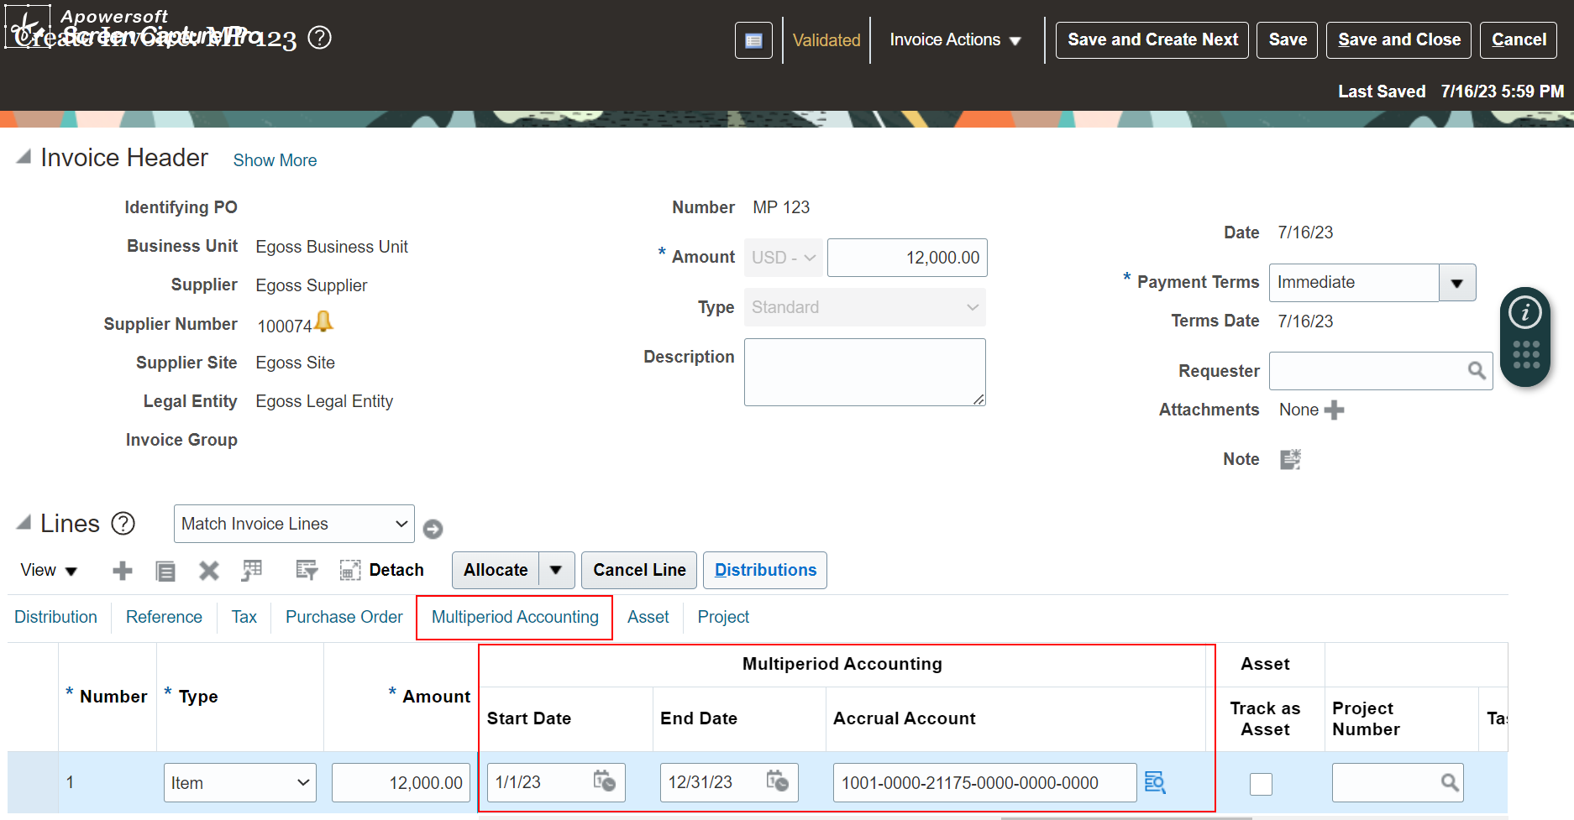

2. Run "Create Multiperiod Accounting" Job
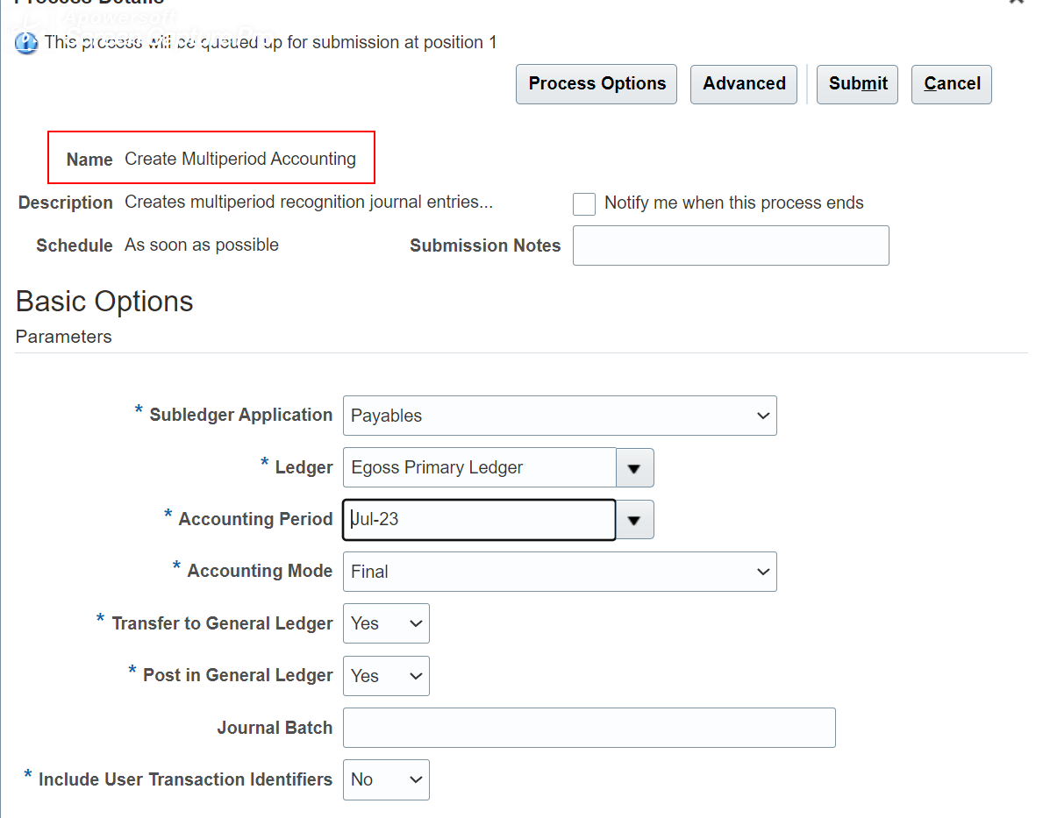

3. If you run "Create Multiperiod Accounting" Job then system will run these child jobs

*Here we have run the job in july month, since we have not allocated the expenses in past months system has allocated all the amount in this current month
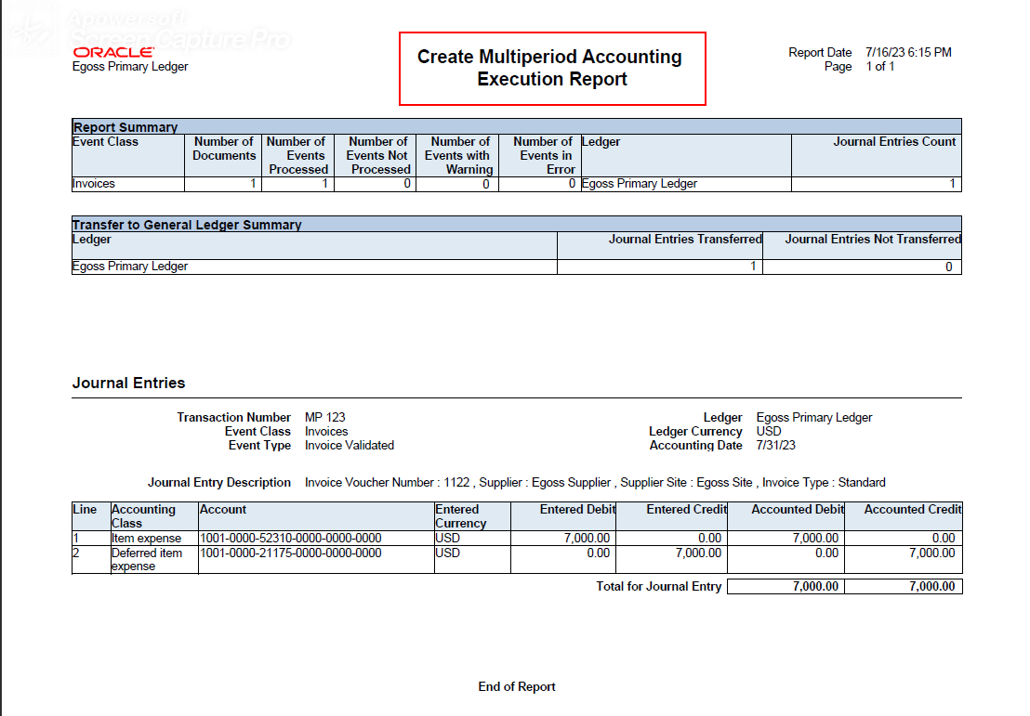

*We can observe that in the below excel sheet when we have created multiperiod invoice entry is
Deferred Item Expense (Amount will be stored in this account) | Debit
Liability | Credit

*After booking expense the entry is
Item Expense | Debit
Deferred Item Expense | Credit

